Actual Operation Evidence

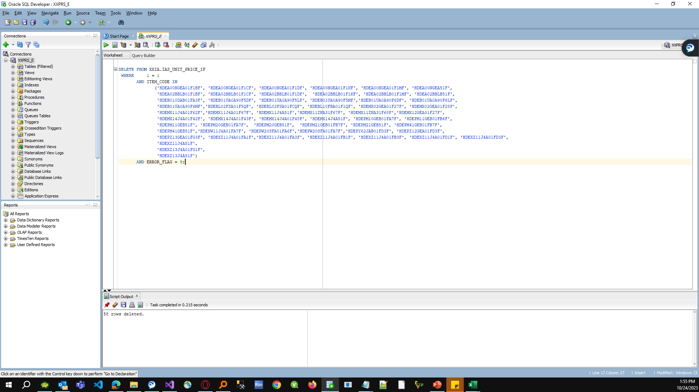

Actual Operation Evidence

Helpdesk Request
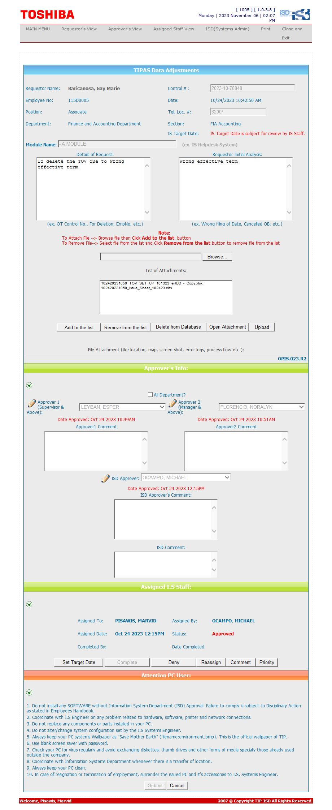
Helpdesk Request

